Sheet1
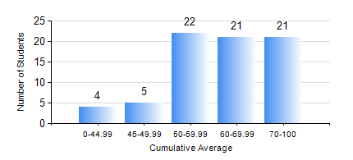
 |  |  | KWAME NKRUMAH UNIVERSITY OF SCIENCE AND TECHNOLOGY, KUMASI Department of Petroleum Engineering

 |  |  | BSC. PETROLEUM ENG.

 |  |  | COMPREHENSIVE RECORD OF EXAMINATION RESULTS

 |  |  | RESULTS OF YEAR 2 SECOND SEMESTER, 2018/2019 ACADEMIC YEAR

 | Sn | Course Code |  | Course Name | Credit Hours | Min. Mark | Max. Mark | Avg. Mark | Std. Dev. | No. Passed | No. Trailed | No. (Df) | No. (I) | No. (I*) | No. Tagged(I,I*,Df) | Total
 | 0. |  |  |  |  |  |  | 0 | 0 | 0 | 0 | 0 | 0 | 0 | 0 | 3
 | 1. | CHE 250 |  | STRENGTH OF MATERIALS FOR CHEMICAL ENGINEERS | 2 | 0 | 99 | 67 | 17.92 | 69 | 1 | 0 | 0 | 0 | 0 | 70
 | 2. | CHE 254 |  | CHEMICAL ENGINEERING THERMODYNAMICS II | 2 | 0 | 89 | 56 | 16.55 | 65 | 5 | 0 | 0 | 0 | 0 | 70
 | 3. | CHE 258 |  | DRAWING FOR ENGINEERS | 2 | 0 | 82 | 66 | 11.4 | 69 | 1 | 0 | 0 | 0 | 0 | 70
 | 4. | MATH 252 |  | CALCULUS OF SEVERAL VARIABLES | 4 | 0 | 98 | 70 | 19.76 | 68 | 2 | 0 | 0 | 0 | 0 | 70
 | 5. | PETE 252 |  | PETROLEUM ENGINEERING SYSTEMS | 2 | 0 | 89 | 55 | 17.94 | 65 | 5 | 0 | 0 | 0 | 0 | 70
 | 6. | PETE 256 |  | INTRODUCTION TO GEOLOGY | 3 | 0 | 80 | 68 | 10.83 | 69 | 1 | 0 | 0 | 0 | 0 | 70
 | 7. | PETE 260 |  | RESERVOIR FLUID TRANSPORT | 3 | 0 | 93 | 57 | 23.12 | 58 | 12 | 0 | 0 | 0 | 0 | 70

